CSS
CSS | * { box-sizing:border-box; caret-color: transparent; }
Syntax |  |  |  |  |  |  |  |  |  |  |  | How to |  |  |  |  |  |  |  | Comment
Selector |  | declaration |  |  |  | declaration |  |  |  |  |  | External CSS |  |  | .css file |  |  |  |  | starts with /* and ends with */
h1 | { | color | : | blue | ; | font-size |  | : | 12px | } |  | Internal CSS |  |  | <style> |  | </style>
 |  | Property |  | Value |  | Property |  |  | Value |  |  | Inline CSS |  |  | style=""
Selector
Simple selectors |  |  | Id Selectors |  |  |  | Element Selectors |  |  |  | Class Selectors |  |  |  | Universal Selectors
 |  |  | #para1 { |  |  |  | p { | a, b, c { |  |  | .center { |  | a.center |  | * {
 |  |  | text-align: center; |  |  |  | text-align: center; |  |  |  | text-align: center; |  |  |  | text-align: center;
 |  |  | color: red; |  |  |  | color: red; |  |  |  | color: red; |  |  |  | color: red;
 |  |  | } |  |  |  | } |  |  |  | } |  |  |  | }

 |  |  | <p id="para1">Alice</p> |  |  |  | <p>Alice</p> |  |  |  | <p class="center">Alice</p>
 |  |  |  |  |  |  |  |  |  |  | <p class="a b">Alice</p>
Combinator selectors |  |  | Descendant Selector |  |  |  | (Space) |  | div p { |  | background-color: yellow; |  |  |  |  | } | all <p> inside <div> tag
 |  |  | Child Selector |  |  |  | > |  | div > p { |  | background-color: yellow; |  |  |  |  | } | all <p> child of <div> tag (1 level different)
 |  |  | Adjacent Sibling Selector |  |  |  | + |  | div + p { |  | background-color: yellow; |  |  |  |  | } | 1 <p> after <div> tag
 |  |  | General Sibling Selector |  |  |  | ~ |  | div ~ p { |  | background-color: yellow; |  |  |  |  | } | all <p> after <div> tag
Pseudo-class selectors |  |  | Base syntax |  | selector:pseudo-class { |  |  |  | property: value; |  |  | }
 |  |  | Mouse interact |  | :focus |  | :hover |  |  |  |  |  |  |  |  |  | n | ← | odd | even | an+b | (num)
 |  |  | Para interact |  | :empty
 |  |  |  |  | :first-child |  | :last-child |  | :nth-child(n) |  | :only-child |  | :nth-last-child(n)
 |  |  |  |  | :first-of-type |  | :last-of-type |  | :nth-of-type(n) |  | :only-of-type |  | :nth-last-of-type(n)
 |  |  |  |  | :lang(language)
 |  |  | State interact |  | :active |  | :link |  | :visited
 |  |  |  |  | :checked
 |  |  |  |  | :enabled |  | :disabled
 |  |  |  |  | :in-range |  | :out-of-range
 |  |  |  |  | :valid |  | :invalid
 |  |  |  |  | :target
 |  |  |  |  | :optional |  | :required
 |  |  |  |  | :read-only |  | :read-write
 |  |  |  |  | :not(selector)
 |  |  | Other interact |  | :root
Pseudo-elements selectors |  |  | Base syntax |  | selector:pseudo-element{ |  |  |  | property: value; |  |  | }
 |  |  | ::after |  | p::after |  | Insert content after every <p> element
 |  |  | ::before |  | p::before |  | Insert content before every <p> element
 |  |  | ::first-letter |  | p::first-letter |  | Selects the first letter of every <p> element
 |  |  | ::first-line |  | p::first-line |  | Selects the first line of every <p> element
 |  |  | ::selection |  | p::selection |  | Selects the portion of an element that is selected by a user
Attribute selectors |  |  | Base syntax |  | selector[Attribute se]{ |  |  |  | property: value; |  |  | }
 |  |  | [attribute] |  |  | [target] |  |  | Selects all elements with a target attribute
 |  |  | [attribute=value] |  |  | [target=_blank] |  |  | Selects all elements with target="_blank"
 |  |  | [attribute~=value] |  |  | [title~=flower] |  |  | Selects all elements with a title attribute containing the word "flower"
 |  |  | [attribute|=value] |  |  | [lang|=en] |  |  | Selects all elements with a lang attribute value starting with "en"
 |  |  | [attribute^=value] |  |  | a[href^="https"] |  |  | Selects every <a> element whose href attribute value begins with "https"
 |  |  | [attribute$=value] |  |  | a[href$=".pdf"] |  |  | Selects every <a> element whose href attribute value ends with ".pdf"
 |  |  | [attribute*=value] |  |  | a[href*="alice"] |  |  | Selects every <a> element whose href attribute value contains the substring "w3schools"
Content
Border |  | border-style: |  |  |  | border-style: |  |  | dotted; |  | dashed; |  | solid; |  | double; |  | groove;
 |  |  |  |  |  |  |  |  | ridge; |  | inset; |  | outset; |  | none; |  | hidden;
 |  |  |  |  |  |  | (Mix) |  | dotted dashed solid double;
 |  |  |  |  |  | border-top-style: dotted;
 |  |  |  |  |  | border-right-style: solid;
 |  |  |  |  |  | border-bottom-style: dotted;
 |  |  |  |  |  | border-left-style: solid;
 |  | border-width |  |  |  | border-width: |  |  | thin; |  | 2px; |  |  |  |  |  | 1em;
 |  |  |  |  |  |  |  |  | medium; |  | 5px 20px |  |  | (top-bot left-right) |  |  | 2ex
 |  |  |  |  |  |  |  |  | thick; |  | 25px 10px 4px 35px; |  |  | (top bot left right)
 |  | border-color |  |  |  | border-color: |  |  | blue; |  | → | red green blue yellow; |  |  |  | (red top, green right, blue bottom and yellow left)
 |  | border |  |  |  | border: 5px solid red; |  |  |  |  | border-width |  |  | border-style (required) |  |  |  |  | border-color
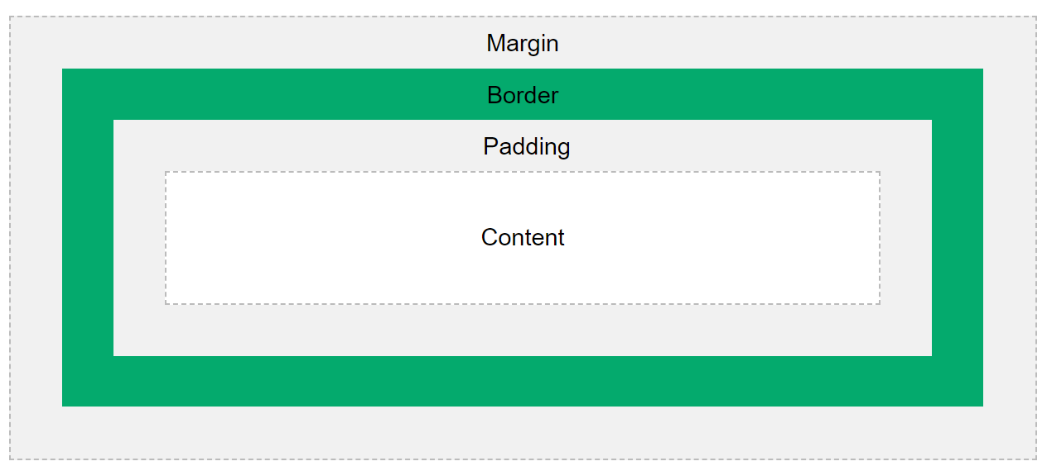
 |  |  |  |  |  | border-left: 6px solid red; |  |  |  |  | border-right: 5px solid red;
 |  |  |  |  |  | border-bottom: 6px solid red; |  |  |  |  | border-top: 5px solid red;
 |  | border-radius |  |  |  | border-radius: 5px; |  |  |  | 50%;
Margin |  |  |  |  |  | margin-top: 100px;
 |  |  |  |  |  | margin-bottom: 100px;
 |  |  |  |  |  | margin-right: 150px;
 |  |  |  |  |  | margin-left: 80px;
 |  |  |  |  |  | margin: 25px 50px 75px 100px;
Padding |  |  |  |  |  | padding-top: 50px;
 |  |  |  |  |  | padding-right: 30px;
 |  |  |  |  |  | padding-bottom: 50px;
 |  |  |  |  |  | padding-left: 80px; |  |  |  |  |  | padding: 25px 50px;
 |  |  |  |  |  | padding: 25px 50px 75px 100px; |  |  |  |  |  | padding: 25px; |  |  |  | (*)
Height/Width |  |  |  |  |  | height: |  |  | auto - This is default. The browser calculates the height and width
 |  |  |  |  |  | width: |  |  | length - Defines the height/width in px, cm etc.
 |  |  |  |  |  | max-height: |  |  | % - Defines the height/width in percent of the containing block
 |  |  |  |  |  | max-width: |  |  | initial - Sets the height/width to its default value
 |  |  |  |  |  | min-height: |  |  | inherit - The height/width will be inherited from its parent value
 |  |  |  |  |  | min-width:
Outline |  |  |  |  |  | outline-style: |  |  | Same as border style ↑
 |  |  |  |  |  | outline-color: |  |  | Color
 |  |  |  |  |  | outline-width:
 |  |  |  |  |  | outline-offset:1px |  |  | Adds space between an outline and the edge/border of an element
 |  |  |  |  |  | outline: |  |  |  |  | outline-width |  |  | outline-style (required) |  |  |  |  | outline-color

Background |  | background-color |  |  |  | background-color: green;
 |  |  |  |  |  | opacity: 0.3;
 |  | background-image |  |  |  | background-image: url("paper.gif");
 |  | background-repeat |  |  |  | background-repeat: repeat-x; |  |  |  |  | repeat-y; |  | no-repeat;
 |  | background-attachment |  |  |  | background-attachment: fixed; |  |  |  |  |  | scroll;
 |  | background-position |  |  |  | background-position: right top;
 |  | background |  |  |  | background: #ffffff url("img_tree.png") no-repeat right top; |  |  |  |  |  |  |  |  |  | ( Gather all values ) |  |  |  | url('img_navsprites.gif') 0 0;
Text |  | Background-color |  |  |  | background-color: blue;
 |  | Text color |  |  |  | color: blue;
 |  | Text Alignment |  |  |  | text-align: center; |  |  |  |  | left; |  | right; |  | justify;
 |  | Vertical Alignment |  |  |  | vertical-align: baseline; |  |  |  |  | text-top; |  | text-bottom; |  |  | sub; |  | super; |  | baseline|length|sub|super|top|text-top|middle|bottom|text-bottom|initial|inherit;
 |  | Text Direction |  |  |  | direction: rtl; |  |  | ltr;
 |  | Decoration |  |  |  | text-decoration: none; |  |  |  |  | overline; |  | line-through; |  |  | underline;
 |  | Text Transformation |  |  |  | text-transform: uppercase; |  |  |  |  | lowercase; |  | capitalize;
 |  | Text Spacing |  |  |  | text-decoration: none; |  |  |  |  | overline; |  | line-through; |  |  | underline;
 |  | Text Transformation |  |  |  | text-indent: 50px; |  |  |  | ( First line shift )
 |  |  |  |  |  | letter-spacing: 5px; |  |  |  | -2px;
 |  |  |  |  |  | line-height: 0.8;
 |  |  |  |  |  | word-spacing: 10px;
 |  |  |  |  |  | white-space: nowrap;
 |  | Text shadow |  |  |  | text-shadow: 2px 2px 5px red; |  |  |  |  | the horizontal shadow (2px) and the vertical shadow (2px) |  |  |  |  |  |  |  | blur effect (5px)
 |  |  |  |  |  | text-shadow: 1px 1px 2px black, 0 0 25px blue, 0 0 5px darkblue;
Font |  | Text font |  |  |  | font-family: "Times New Roman", Times, serif; |  |  |  |  |  |  |  | The second and third fonts are backups, in case the first one is not found.
 |  | Font style |  |  |  | font-style: |  |  | normal; |  | italic; |  | oblique;
 |  | Font Weight |  |  |  | font-weight: |  |  | normal; |  | bold;
 |  | Font Variant |  |  |  | font-variant: |  |  | normal; |  | small-caps;
 |  | Font Size |  |  |  | font-size: 40px; |  |  |  | 2.5em; /* 40px/16=2.5em */ |  |  |  | 100%; |  | 10vw | 1vw = 1% of viewport width
 |  | Google font |  |  |  | <link rel="stylesheet" href="https://fonts.googleapis.com/css?family=Audiowide|Sofia|Trirong"> |  |  |  |  |  |  |  |  |  |  |  |  |  |  |  | font-family: "Sofia", sans-serif;
 |  | Font |  |  |  | font-size and font-family values are required |  |  |  |  |  |  |  | font-style |  |  | font-variant |  |  |  | font-family
 |  |  |  |  |  |  |  |  |  |  |  |  |  | font-weight |  |  | font-size/line-height
Icon |  | https://fontawesome.com/ |  |  |  | <script src="https://kit.fontawesome.com/70cebddec6.js" crossorigin="anonymous"></script>
 |  | Read: |  |  |  | https://www.w3schools.com/css/css_icons.asp
Cursor |  | Read: |  |  |  | https://www.w3schools.com/cssref/pr_class_cursor.asp
List |  | List Item Markers |  |  |  | list-style-type: |  |  |  | circle; |  | square; |  | https://www.w3schools.com/cssref/pr_list-style-type.asp |  |  |  |  |  | none; | (remove default setting)
 |  | Image as Item Marker |  |  |  | list-style-image: |  |  |  | url('sqpurple.gif');
 |  | Position Item Markers |  |  |  | list-style-position: |  |  |  | outside; |  | inside;
 |  | --→ |  |  |  | list-style: square inside url("sqpurple.gif");
Table |  | Border |  |  |  | Border ↑
 |  |  |  |  |  | border-collapse: collapse; |  |  |  |  | separate;
Position |  | Positioning |  |  |  | position: |  | static; |  | relative; |  | fixed; |  | absolute; |  | sticky;
 |  |  |  |  |  | top: |  | bottom: |  | left: |  | right:
 |  | Overlapping |  |  |  | z-index: |  | -1 | 1 |  | . . .
 |  | Position Text in Image |  |  |  | https://www.w3schools.com/css/css_positioning.asp
Overflow |  | Responsive |  |  |  | overflow-x: |  |  | scroll; |  | hidden; |  | auto; |  | visible; |  | overflow:
 |  |  |  |  |  | overflow-y:
Float |  | Float |  |  |  | float: |  | left; |  | right; |  | none;
 |  | Clear |  |  |  | clear: |  | left; |  | right; |  | both; |  | none;
 |  | ClearFix |  |  |  | https://www.w3schools.com/css/tryit.asp?filename=trycss_layout_clearfix2
Align |  | Center Align Elements |  |  |  | margin: auto; |  |  | horizontally center a block element |  |  |  |  | Center aligning has no effect if the width property is not set
 |  | Center Align Text |  |  |  | text-align: center;
 |  | Center an Image |  |  |  | display: block; |  |  | margin-left: auto; |  |  | margin-right: auto; |  |  | To center an image, set left and right margin to auto and make it into a block element
 |  | Left and Right Align |  |  |  | position: absolute; |  |  | float: right;
 |  | Center Vertically |  |  |  | padding: 70px 0; |  |  | line-height: 200px; |  |  | Using position & transform |  |  |  | Using flex box
 |  | Center ver and hor |  |  |  | padding: 70px 0; |  |  | text-align: center;
Opacity |  |  |  |  |  | opacity: 0.3;
 |  |  |  |  |  | rgba(76, 175, 80, 0.3)
Navigation Bar |  | List of Links |  |  |  | Vertical: |  |  | display: block;
 |  |  |  |  |  | Horizontal: |  |  | display: inline; |  |  | float:right
Dropdowns |  |  |  |  |  | Example |  | (display set change style)
 |  | Dropdown Menu |  |  |  | display: block;
Important |  | Override style |  |  |  | !important

Display |  | Basic |  |  |  | display: none; |  |  | (hidden - not take up space)
 |  |  |  |  |  | display: inline; |  |  |  | https://www.w3schools.com/css/tryit.asp?filename=trycss_inline-block_span1
 |  |  |  |  |  | display: block;
 |  |  |  |  |  | display: inline-block;
 |  | flex |  |  |  | display: flex;
 |  | grid |  |  |  | display: grid;
 |  |  |  |  |  | display: inline-grid;
Flexbox |  | Flexbox Elements |  |  |  | flex: 50%; |  |  | height: |  | width:
 |  |  |  |  |  | flex-direction: |  |  | column; |  | column-reverse;
 |  |  |  |  |  |  |  |  | row; |  | row-reverse;
 |  |  |  |  |  | flex-wrap: |  |  | wrap; |  | nowrap; |  | wrap-reverse;
 |  |  |  |  |  | flex-flow: |  |  | row wrap; |  | flex-direction |  |  | flex-wrap|initial|inherit;
 |  |  |  |  |  | justify-content: |  |  | center |  | flex-start |  | flex-end
 |  |  |  |  |  |  |  |  | space-between |  |  | space-around |  |  | space-evenly
 |  |  |  |  |  |  |  |  | initial |  | inherit
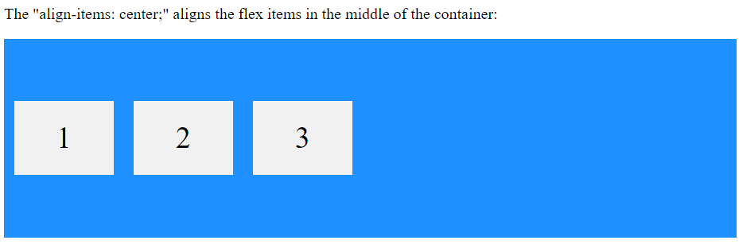
 |  |  |  |  |  | align-items: |  |  | stretch |  | center
 |  |  |  |  |  |  |  |  | flex-start |  | flex-end
 |  |  |  |  |  |  |  |  | baseline
 |  |  |  |  |  |  |  |  | initial |  | inherit
 |  |  |  |  |  | align-content: |  |  | center |  | stretch
 |  |  |  |  |  |  |  |  | flex-start |  | flex-end
 |  |  |  |  |  |  |  |  | space-between |  |  | space-around |  |  | space-evenly
 |  |  |  |  |  |  |  |  | initial |  | inherit
 |  | Flex Items |  |  |  | order |  |  | :3 | : 2 | : 1
 |  |  |  |  |  | flex-grow |  |  | :3 | : 2 | : 1
 |  |  |  |  |  | flex-shrink |  |  | :3 | : 2 | : 1
 |  |  |  |  |  | flex-basis |  |  | 200px
 |  |  |  |  |  | flex |  |  | flex-grow, flex-shrink, and flex-basis
 |  |  |  |  |  | align-self |  |  | auto |  | stretch |  | center |  | flex-start |  | flex-end |  | baseline |  | initial |  | inherit
Grid |  | Grid |  |  |  | height: |  | width: |  | grid: | none|grid-template-rows / grid-template-columns|grid-template-areas|grid-template-rows / [grid-auto-flow] grid-auto-columns|[grid-auto-flow] grid-auto-rows / grid-template-columns|initial|inherit;
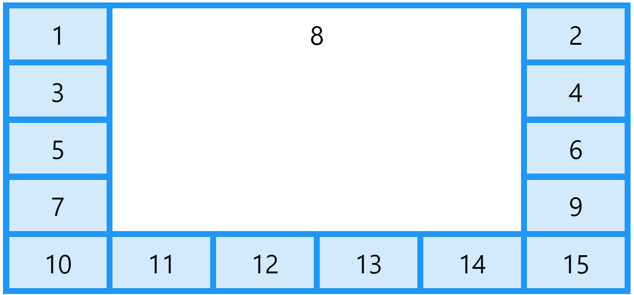
 |  | Grid Gaps |  |  |  | row-gap: |  | or | grid-row-gap: 50px;
 |  |  |  |  |  | column-gap: |  | or | grid-column-gap: 50px;
 |  |  |  |  |  | gap: |  | or | grid-gap: 50px 100px; |  |  |  | (row - column) |  |  | 100px; |  | (Both)
 |  | Grid Appearance |  |  |  | grid-auto-columns: 50px;
 |  |  |  |  |  | grid-auto-rows: 150px;
 |  |  |  |  |  | grid-column-start: 1; |  |  |  | grid-column: |  | 1 / 5; |  | 1 / span 4; |  | grid-area: |  | 1 / 2 / 5 / 6;
 |  |  |  |  |  | grid-column-end: 3;
 |  |  |  |  |  | grid-row-start: 1; |  |  |  | grid-row: |  | 1 / 5; |  | 1 / span 4; |  |  |  | 2 / 1 / span 2 / span 3;
 |  |  |  |  |  | grid-row-end: 3;
 |  |  |  |  |  | grid-template-areas: |  |  |  | 'myArea myArea myArea myArea myArea'; |  |  |  |  |  |  |  | → | grid-area: myArea;
 |  |  |  |  |  |  |  |  |  | 'myArea myArea . . .'
 |  |  |  |  |  |  |  |  |  | 'myArea myArea . . .' 'myArea myArea . . .';
 |  |  |  |  |  | grid-template: |  |  |  | (none) |  |  |  |  | Default
 |  |  |  |  |  |  |  |  |  | 150px 200px / auto auto auto; |  |  |  |  | grid-template rows / grid-template-columns |  |  |  |  |  | (2 rows, 3 columms)
 |  |  |  |  |  |  |  |  |  | myArea myArea . . .' 'myArea myArea . . .';

 |  |  |  |  |  |  |  |  |  | initial|inherit;
 |  | Justify |  |  |  | justify-content: |  |  |  | space-evenly; |  |  | space-around; |  |  | space-between; |  |  | center; |  | start; |  | end;
 |  | Vertical Align |  |  |  | align-content:
 |  | Grid responsive |  |  |  | grid-auto-flow: |  |  |  | row; |  | column; |  | dense; |  | row dense; |  | column dense;
 |  |  |  |  |  | grid-template-columns: |  |  |  | auto auto auto auto; |  |  |  | (4 columns with same width)
 |  |  |  |  |  |  |  |  |  | 80px 200px auto 40px;
 |  |  |  |  |  | grid-template-rows: |  |  |  | auto auto auto auto; |  |  |  | (4 rows with same width)
 |  |  |  |  |  |  |  |  |  | 80px 200px auto 40px;

Boostrap
Boostrap | Class lists | <!doctype html> <html lang="en"> <head> <title>Movie</title> <!-- Required meta tags --> <meta charset="utf-8"> <meta name="viewport" content="width=device-width, initial-scale=1, shrink-to-fit=no"> <!-- Bootstrap CSS --> <script src="https://ajax.googleapis.com/ajax/libs/jquery/3.5.1/jquery.min.js"></script> <script src="https://cdnjs.cloudflare.com/ajax/libs/popper.js/1.16.0/umd/popper.min.js""></script> <script src="https://maxcdn.bootstrapcdn.com/bootstrap/4.5.2/js/bootstrap.min.js""></script> <link rel="stylesheet" href="https://stackpath.bootstrapcdn.com/bootstrap/4.3.1/css/bootstrap.min.css" integrity="sha384-ggOyR0iXCbMQv3Xipma34MD+dH/1fQ784/j6cY/iJTQUOhcWr7x9JvoRxT2MZw1T" crossorigin="anonymous"> <link rel="stylesheet" href="main.css"> </head> <body> <header> <nav class="navbar navbar-expand-lg navbar-light bg-light"> <a class="navbar-brand" href="#">Navbar</a> <button class="navbar-toggler" type="button" data-toggle="collapse" data-target="#navbarSupportedContent" aria-controls="navbarSupportedContent" aria-expanded="false" aria-label="Toggle navigation"> <span class="navbar-toggler-icon"></span> </button> <div class="collapse navbar-collapse" id="navbarSupportedContent"> <ul class="navbar-nav mr-auto"> <li class="nav-item active"> <a class="nav-link" href="#">Home <span class="sr-only">(current)</span></a> </li> <li class="nav-item"> <a class="nav-link" href="#">Link</a> </li> <li class="nav-item dropdown"> <a class="nav-link dropdown-toggle" href="#" id="navbarDropdown" role="button" data-toggle="dropdown" aria-expanded="false">
Tutorial
Get Started | Bootstrap 4 CDN | <link rel="stylesheet" href="https://maxcdn.bootstrapcdn.com/bootstrap/4.5.2/css/bootstrap.min.css"><script src="https://ajax.googleapis.com/ajax/libs/jquery/3.5.1/jquery.min.js"></script><script src="https://cdnjs.cloudflare.com/ajax/libs/popper.js/1.16.0/umd/popper.min.js"></script><script src="https://maxcdn.bootstrapcdn.com/bootstrap/4.5.2/js/bootstrap.min.js"></script> | Size: | Type: |  | Pixel:
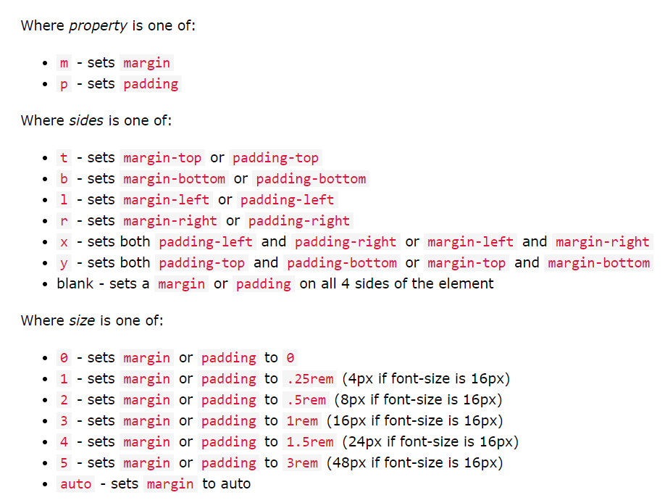
Containers |  |  | .col | auto |  | auto
Grids Basic |  |  | .col- | extra small |  | 576px ↓
Text/Typography |  |  | .col-sm- | small devices |  | 576px ↑
Colors |  |  | .col-md- | medium devices |  | 768px ↑
Tables |  |  | .col-lg- | large devices |  | 992px ↑
Images |  |  | .col-xl- | xlarge devices |  | 1200px ↑
Jumbotron |  |  | Total width: |  | 12 | xl-2 xl-10
Alerts
Button |  |  |  | Color:
Button Groups |  |  |  | .text-muted |  | .text-secondary
 | <div class="w-100 d-none d-md-block"></div> |  |  | .text-primary |  | .text-white
 |  |  |  | .text-success |  | .text-dark
 |  |  |  | .text-info |  | .text-body
 |  |  |  | .text-warning |  | .text-light
 |  |  |  | .text-danger

<!doctype html> <html lang="en"> <head> <title>Movie</title> <!-- Required meta tags --> <meta charset="utf-8"> <meta name="viewport" content="width=device-width, initial-scale=1, shrink-to-fit=no"> <!-- Bootstrap CSS --> <script src="https://ajax.googleapis.com/ajax/libs/jquery/3.5.1/jquery.min.js"></script> <script src="https://cdnjs.cloudflare.com/ajax/libs/popper.js/1.16.0/umd/popper.min.js"></script> <script src="https://maxcdn.bootstrapcdn.com/bootstrap/4.5.2/js/bootstrap.min.js"></script> <link rel="stylesheet" href="https://stackpath.bootstrapcdn.com/bootstrap/4.3.1/css/bootstrap.min.css" integrity="sha384-ggOyR0iXCbMQv3Xipma34MD+dH/1fQ784/j6cY/iJTQUOhcWr7x9JvoRxT2MZw1T" crossorigin="anonymous"> <link rel="stylesheet" href="betaptinh.js"> </head> <body> <!-- Optional JavaScript --> <script src="movie.js"></script> <!-- jQuery first, then Popper.js, then Bootstrap JS --> <script src="https://cdnjs.cloudflare.com/ajax/libs/jquery/3.6.0/jquery.min.js"></script> </body> </html>

ReactJS
ReactJS
ES6+
Arrow function | const print = (mess) => { console.log(mess) }
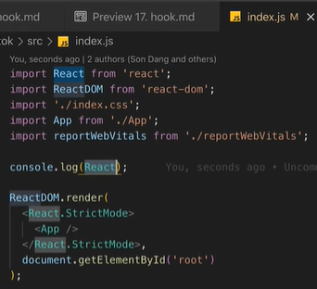
 | const print = mess => console.log(mess)
 | const sum = (a,b) => a + b;
 | const object = (a,b) => ({a: a, b: b})
 | → Không có context (this) / Không thể tạo constructor
Enhanced object literals | • Định nghĩa key: value cho object
 | var course = { name, price }; |  | var name = 'Alice' | var price = 1000
 | • Định nghĩa method cho object
 | getName() { return name; } |  | // Không cần từ khóa function
 | • Định nghĩ key cho object dưới dạng biến
 | var course = { [name]: 'Alice', [price]: 1000 } |  | var name = 'Alice' | var price = 1000
Rest, Destructuring, Spread | logger({name: 'JS', price: 1000, description: 'des'});
 | logger([1,2,3,4,5]);
 | function logger(a, b, …params) {}
 | function logger([a,b,…rest]) {}
 | function logger({name, price, …rest}) {}
 | array3 = [1,2, …array2, …array1]
 | var object3 = { …object1, …object2 }
JS modules | <script type="module" src="./app.js"></script>
 | import logger from './logger.js' |  | (import default)
 | import logger, {PI, ABC} from './logger.js'
 | import {PI} from './constants.js'
 | import * as constants from './constants,js'
 | export default logger; |  | (export default) | (tối đa 1 default)
 | export const PI = 3.14;

 | Folder logger | import logger from './logger/index.js'
 | index.js | export { default } from './logger.js' |  | import logger from ''; export default logger;
 | logger.js

 | Folder logger | import {logger2} from './logger/index.js'
 | index.js | export { default as logger2 } from './logger.js'
 | logger.js

React / ReactDOM
document.creatElement() | const h1 = document.createElement('h1')
 | h1.title = 'Hello'
 | h1.className = 'heading'
 | h1.innerText = 'Hello world!'
 | Object.assign(h1.style, {});
 | document.body.appendChild(h1)
React.createElement() | React.createElement(type, props, children, . . .)
 | const h1 = React.createElement(
 | 'h1',
 | { title: 'Hello', className: 'heading' },
 | 'Hello word!'
 | ) ;
React DOM | ReactDOM.render(element, container, callback)
 | const root = document.getElementById('root') |  | 17
 | ReactDOM.render(h1, root)

 | const rt = ReactDOM.createRoot(root) |  | 18
 | rt.render(h1)
JSX, Components, Props
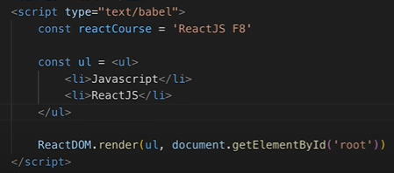
JSX

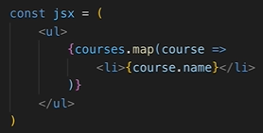
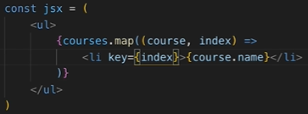
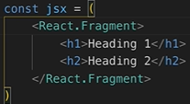
JSX render Arrays

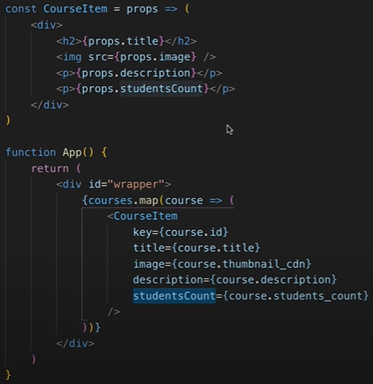

React Element Types

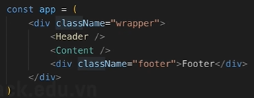

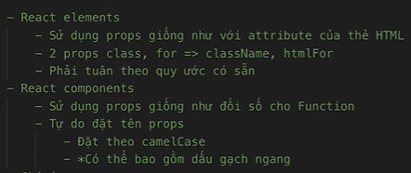
Props

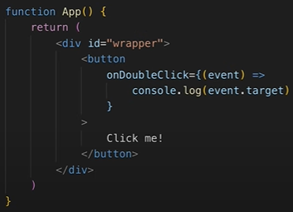
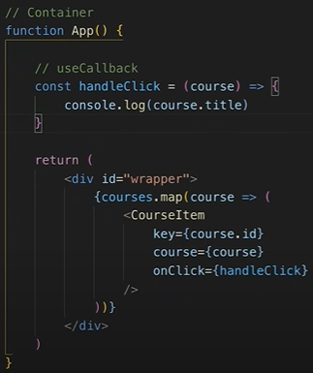
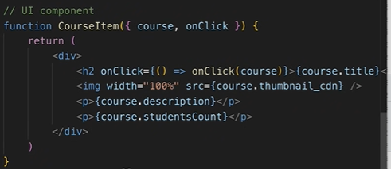
 |  |  |  |  | →
JSX - DOM events

 |  |  |  |  | Không care tầng ↑

 |  | Care performent tầng →

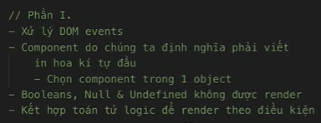
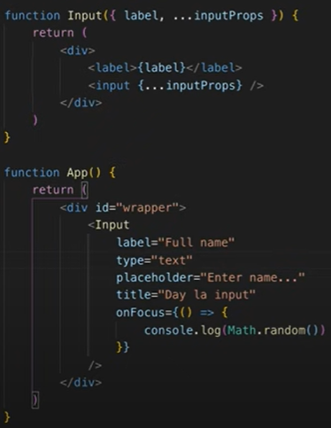
JSX - Components linh hoạt |  |  |  |  |  | children | render prop
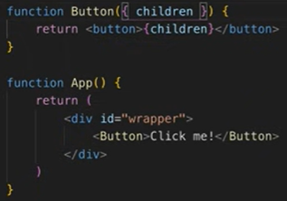
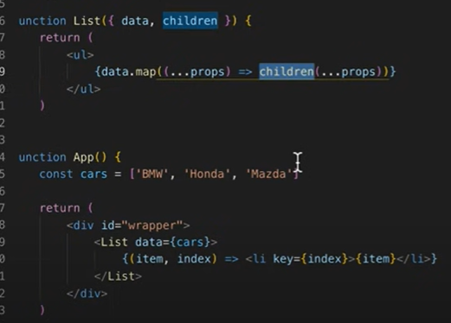

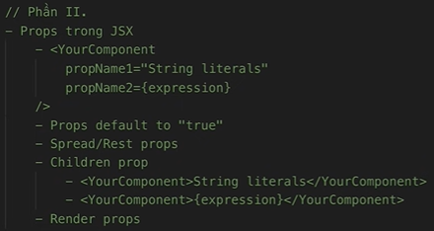

Hooks
useState | import { useState } from 'react'
 | const [state, setState] = useState(initState)

PP
Phương pháp nghiên cứu khoa học

Bài 1. |  | Giới thiệu về PPNCKH | Bài 2. |  | Quy trình NCKH
 | 1. Nghiên cứu Khoa học (NCKH) là gì? |  |  | Bước 1: Xác định vấn đề
 | 2. Nghiên cứu Khoa học (NCKH) cần con người như thế nào? |  |  | Bước 2: Tìm hiểu các khái niệm, lý thuyết và các nghiên cứu liên quan
 | 3. Ai là người nghiên cứu Khoa học? |  |  | Bước 3: Xây dựng giả thiết NC
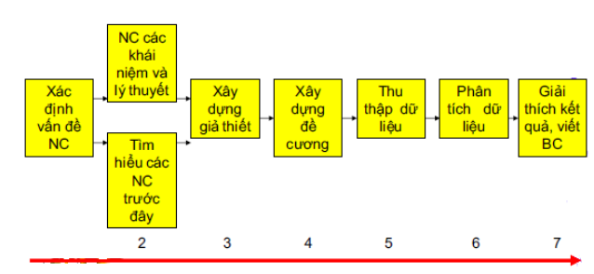
 | 4. Các hình thức tổ chức nghiên cứu? |  |  | Bước 4: Xây dựng đề cương NC
 |  | Khái niệm về Tổ chức nghiên cứu |  | Bước 5: Thu thập dữ liệu
 |  | Khái niệm về loại hình nghiên cứu |  | Bước 6: Phân tích dữ liệu
 | 5. Căn cứ hình thành chương trình, đề tài, dự án? |  |  | Bước 7: Giải thích kết quả và viết báo cáo cuối cùng
 | 6. Các loại hình NCKH
 | 7. Các phương pháp tư duy KH
 |  | Diễn dịch
 |  | Quy nạp
 | 8. Quy trình NCKH

Bài 3. |  | XÂY DỰNG TỔNG QUAN TÀI LIỆU VÀ CƠ SỞ LÝ THUYẾT | Bài 4. |  | CÁCH VIẾT ĐỀ CƯƠNG, BÁO CÁO KHOA HỌC
 | 1. Khái niệm |  |  | 1. Cách biết đề cương nghiên cứu
 | 2. Mục đích của Tổng quan tài liệu và cơ sở lý thuyết |  |  |  | Đặt vấn đề (tại sao chọn đề tài này?)
 | 3. Một số lưu ý |  |  |  | Tổng quan tài liệu và cơ sở lý thuyết
 | 4. Mục tiêu cần hoàn thành là |  |  |  | Phương pháp nghiên cứu
 | 5. Năm bước tìm kiếm tài liệu |  |  |  | Cấu trúc dự kiến của báo cáo kết quả
 | 6. Các cấp độ của thông tin dữ liệu
 |  | Sơ cấp / Thứ cấp / Tam cấp | Bài 5. |  | THỰC HIỆN NGHIÊN CỨU VÀ VIẾT BÁO CÁO KHOA HỌC
 | 7. Các dạng nguồn thông tin |  |  | 1. Mô hình toán học trong nghiên cứu IT - Toán học là gì?
 |  | Chỉ mục & Danh mục tài liệu tham khảo / Từ điển chuyên ngành / Từ điển Bách Khoa Toàn thư / Sổ tay / Internet |  | 2. Phương pháp đánh giá kết quả nghiên cứu - Bước cuối cùng torng bất cứ nghiên cứu nào
 | 8. Các bước xây dựng Tổng quan tài liệu và cơ ở ý thuyết |  |  | 3. Cách viết báo cáo nghiên cứu
 |  | Bước 1: Tìm các tài liệu có liên quan đến đề tài đang và sẽ nghiên cứu
 |  | Bước 2: Chọn lọc và giữ lại những tài liệu có độ tin cao cũng như các lý thuyết phù hợp
 |  | Bước 3: Tóm tắt và rút ra các nhân tố, các biến cần tìm và thang đo của nó
 |  | Bước 4: Chắt lọc, tổng hợp và hoàn thành khung lý thuyết dựa vào tính khả thi của dữ liệu
 | 9. Các hình thức trích dẫn
 | 10. Cách ghi tài liệu tham khảo (theo ISO 690 và thông lệ quốc tế)

